Job Details

Job Number & Name: | 35084 LB Bexley
Site Number/Name: | Site 22 - Longlands Road
Client: | Waterman
Date: | 2023-03-30

Site Plan
Advanced Transport Research |  |  | Job Number & Name: | 35084 LB Bexley
Site 22 - Longlands Road |  |  | Date: | 2023-03-30

Job Type: | Pedestrian & Vehicle Count
Co-ordinates: | 51°25'56.08"N, 0° 5'29.94"E | Postcode: | DA15 7LF |  | Times: | 0730-0930 1430-1630

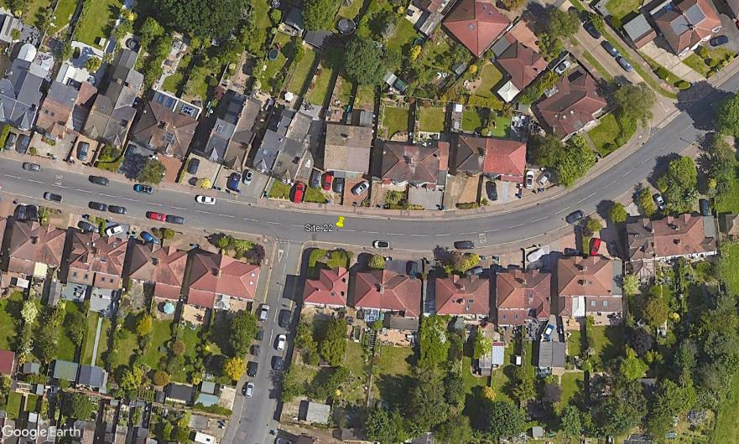
N

Longlands Road

D

1
2
3
A
C
B

Woodside Road

